Options filtre sur VL
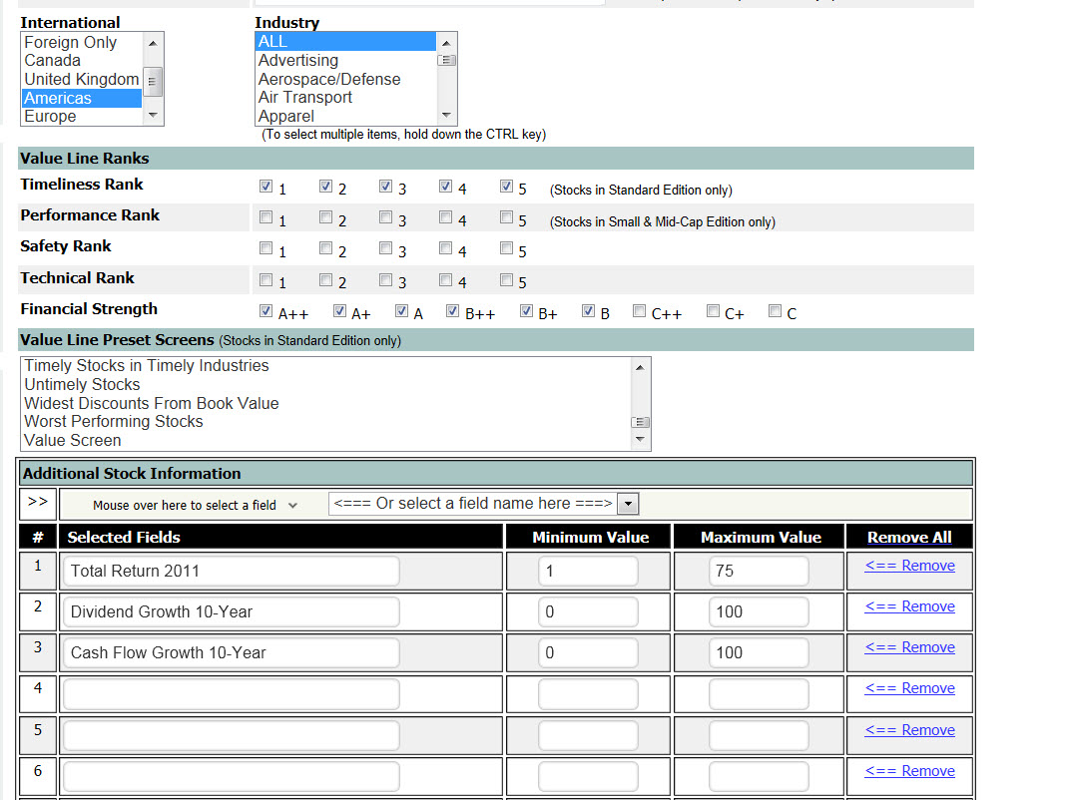

Correlation Div CF
Relation entre la croissance du dividende et la croissance du cash flow (200 compagies nord-américaines cotées B ou mieux)
 | Croissance annuelle moy du dividende - 10 ans
4.5 | 7.5
14 | 22
7.5 | 10.5
14 | 8.5
3.5 | 4
2 | 1
8 | 10
15.5 | 15.5
9.5 | 9
14.5 | 5.5
4.5 | 5
13.5 | 2.5
13 | 16.5
5.5 | 2
11.5 | 18
10 | 12
8 | 11.5
9 | 21
1 | 5.5
15 | 11.5
4 | 2
5.5 | 14.5
3.5 | 7.5
14 | 11.5
2 | 3
6 | 8.5
7 | 7
2.5 | 10.5
8.5 | 9.5
4 | 5
22 | 47.5
4.5 | 1
17 | 14
3 | 25.5
5.5 | 6
1.5 | 8
10 | 19
21.5 | 11
12.5 | 8.5
15 | 16
6 | 10
8 | 5.5
6 | 1.5
6.5 | 10
9 | 10
8.5 | 12
1 | 1
15 | 6.5
3 | 8
13 | 9.5
...

Données barres horizontales 3
Si le cash flow augmente davantage, le dividende suivra
 | Croissance annuelle moyenne du cash flow depuis 10 ans | Croissance annuelle moy du dividende - 10 ans
BCE Inc. | 4.5 | 7.5
Can. National Railway | 14 | 22
Enbridge Inc. | 7.5 | 10.5
Imperial Oil Ltd. | 14 | 8.5
TELUS Corporation | 3.5 | 4
TransAlta Corp. | 2 | 1
TransCanada Corp. | 8 | 10

